Engine Foundation Scantling
 | Scantling Calculation for Engine Foundation

Thickness of plate floors at Engine room |  |  |  |  | (GL-2013,Pt-1,Ch-1,Sec-8,D.3.1)

 | Thickness of plate floors, tpf |  | 10 | mm
 | Thickness of plate floors at Engine room |  | t = c tpf
 | Power of Single Engine |  | 257 | kW

 |  | c = 1 + (3.6+ (P / 500) )x 10-3 | 1.004 | mm

 | Thickness of plate floors | = | 10.04114 | mm
 |  | ≈ | 11 | mm

Thickness of the longitudinal girders |  |  |  |  | (GL-2013,Pt-1,Ch-1,Sec-8,D.4.2.1)

 | Power of Single Engine |  | 257 | kW

 | Thickness of the longitudinal girders |  | t=√(P/15) +6

 |  | = | 10.1 | mm
 |  | ≈ | 11 | mm

The thickness of top plate should approximately be equal to the diameter of the fitted-in bolts. So we have the thickness of the top plate

 |  | t | 18 | mm

Cross sectional area of the top plate |  |  |  |  | (GL-2013,Pt-1,Ch-1,Sec-8,D.4.2.3)

 | Cross sectional area of the top plate |  | At= P/15 + 30

 |  | = | 47.13 | cm2

Width of the plate top plate

 | The width of the plate |  | At*100/t

 |  | = | 261.85 | mm
 |  | ≈ | 262 | mm

Section Modulus of Web Frame

 |  | Web frame | T - 120 x 70 x 6

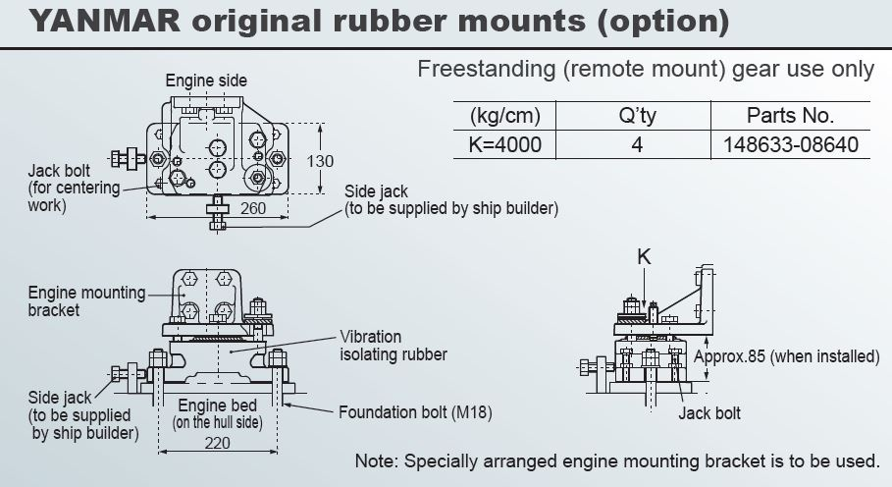
The foundation bolts for fastening the engine at the seating shall be spaced no more than apart, S = 3×D |  |  |  |  | (GL-2013,Pt-1,Ch-1,Sec-8,D.4.1.4)

 | D = diameter of the foundation bolt |  | 18 | mm

 |  | Spacing | S=3×D

 |  | = | 54 | mm

Brackets |  |  |  |  | (GL-2013,Pt-1,Ch-1,Sec-8,C.5.4)

 | Thickness | = | 7 | mm
 | Breadth = 0.75 * Depth of center girder | = | 465 | mm

 | Summary

 | Items |  | Dimensions

 | Floor plate Thickness |  | 11 mm

 | Longitudinal Girders Thickness |  | 11 mm

 | Bracket Thickness |  | 7 mm

 | Bracket Breath |  | 465 mm

 | Top plate width |  | 262 mm

 | Top plate Thickness |  | 18 mm

 | Web frame |  | T - 120 x 70 x 6

 | Foundation Bolt Diameter |  | 18 mm

